Sheet1
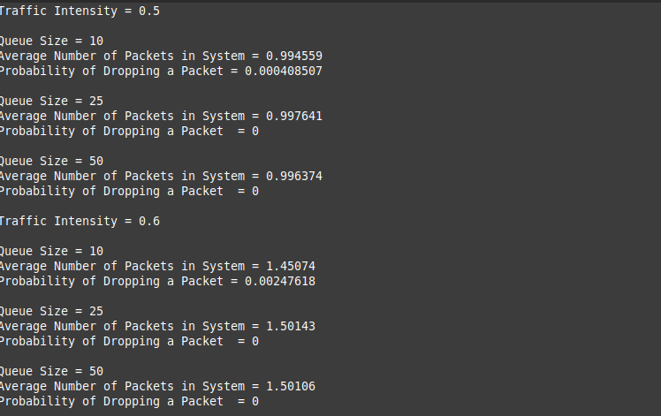
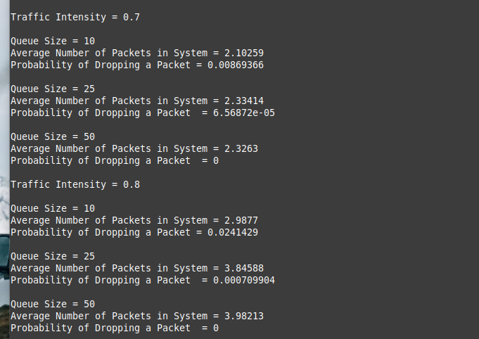
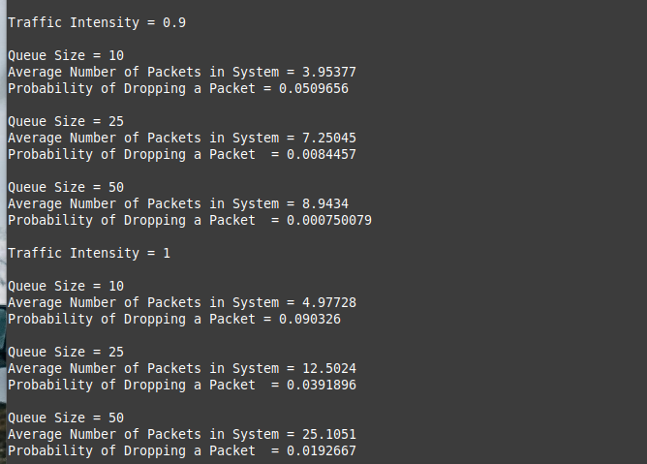
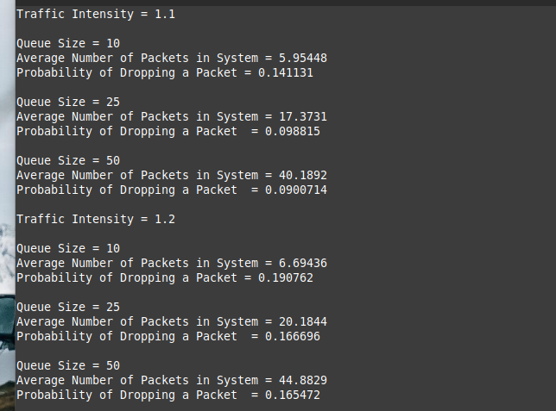
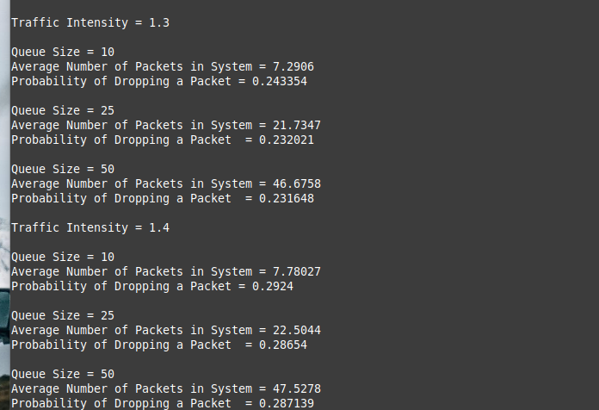
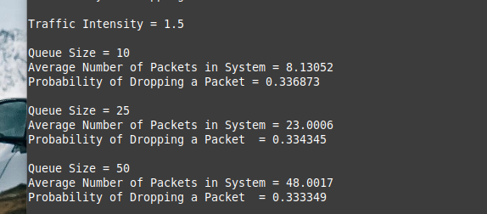
E[N] vs avg num of packets in queue
 | traffic intensity: | average num of packets in queue
 | 0.25 | 0.3303
 | 0.35 | 0.538225
 | 0.45 | 0.819435
 | 0.55 | 1.22073
 | 0.65 | 1.8471
 | 0.75 | 3.0575
 | 0.85 | 5.69964
 | 0.95 | 11.24895

System Idle time vs Traffic Intensity
 | traffic intensity: | p idle time
 | 0.25 | 0.751018
 | 0.35 | 0.649851
 | 0.45 | 0.549876
 | 0.55 | 0.450785
 | 0.65 | 0.350756
 | 0.75 | 0.247775
 | 0.85 | 0.14917
 | 0.95 | 0.04571

K=10
 | traffic intensity: | probability | avg num of packets in system
 | 0.5 | 0.000408507 | 0.994559
 | 0.6 | 0.002474618 | 1.45074
E[N] vs p
 | 0.7 | 0.00869366 | 2.10259
 | 0.8 | 0.0241429 | 2.9877
 | 0.9 | 0.0509656 | 3.95377
 | 1 | 0.090326 | 4.97728
 | 1.1 | 0.141131 | 5.95448
 | 1.2 | 0.190762 | 6.69436
 | 1.3 | 0.243354 | 7.2906
 | 1.4 | 0.2924 | 7.78027
 | 1.5 | 0.336873 | 8.13052

K=25
 | traffic intensity: | probability | avg num of packets in system
 | 0.5 | 0.997641 | 0.997641
 | 0.6 | 1.50143 | 1.50143
 | 0.7 | 6.56872E-05 | 2.33414
 | 0.8 | 0.000709904 | 3.84588
Packet Loss Probability vs Traffic Intensity p
 | 0.9 | 0.0084457 | 7.25045
 | 1 | 0.0391896 | 12.5024
 | 1.1 | 0.098815 | 17.3731
 | 1.2 | 0.166696 | 20.1844
 | 1.3 | 0.232021 | 21.7347
 | 1.4 | 0.28654 | 22.5044
 | 1.5 | 0.334345 | 23.006

K=50
 | traffic intensity: | probability | avg num of packets in system
 | 0.5 | 0 | 0.996374
 | 0.6 | 0 | 1.50106
 | 0.7 | 0 | 2.3263
 | 0.8 | 0 | 3.98213
 | 0.9 | 0.000750079 | 8.9434
 | 1 | 0.0192667 | 25.1051
 | 1.1 | 0.0900714 | 40.1892
 | 1.2 | 0.165472 | 44.8829
 | 1.3 | 0.231648 | 46.6758
 | 1.4 | 0.287139 | 47.5278
 | 1.5 | 0.333349 | 48.0017

